Before You Begin
How to use this Questionaaire

Depending on how you access this file, whether it is in Excel format or a Google Sheet, you may encounter formatting issues. To enhance your
experience and optimize the file's usability, here are a few suggestions to consider:

Issue: Rows not showing all of the text
In certain cases, the default row height may cause words to be squished, as shown in the example below. To address this issue and improve readability, you can adjust the row height accordingly.

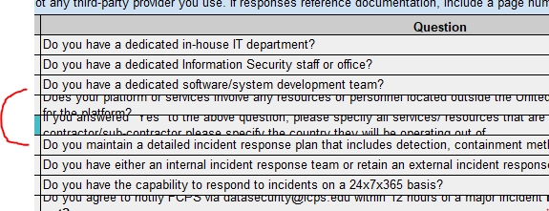

Resolution
To resolve this issue in Excel, follow these steps: - Press Ctrl+A (Windows) or Command+A (Mac) to select all cells in the worksheet. Alternatively, you can click the square in the top-left corner of the worksheet where the row and column headers intersect. This will select the entire worksheet. - In the "Home" tab at the top of the Excel window, navigate to the "Cells" group. - Within the "Cells" group, click on the "Format" button. A dropdown menu will appear. - From the dropdown menu, select "AutoFit Row Height". - Excel will then automatically adjust the row heights based on the content within each cell, ensuring that words are not squished and improving overall readability..

 | Please Proceed to "Vendor Information" Tab

